Лист1
Library | Link
Axios | https://www.npmjs.com/package/axios
Swagger petstore | https://petstore.swagger.io/
Assert node js | https://nodejs.org/api/assert.html

Home task
1. Create new pet with full data manually
2. Write tests to check all data of response
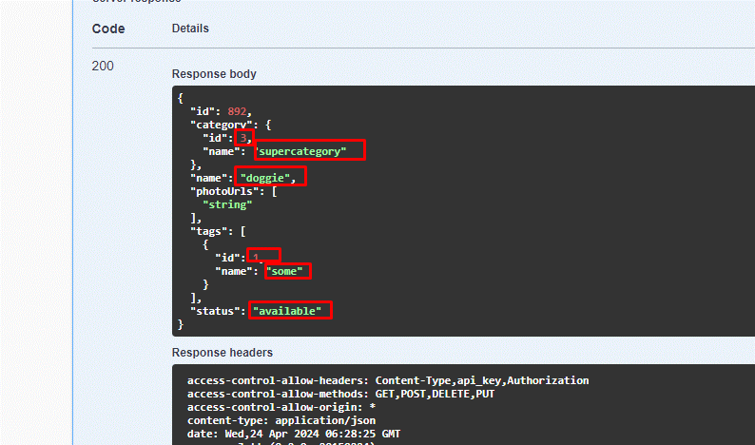

3. Write tests to check status text OK
4. Check header content-type = application/json

